Questions
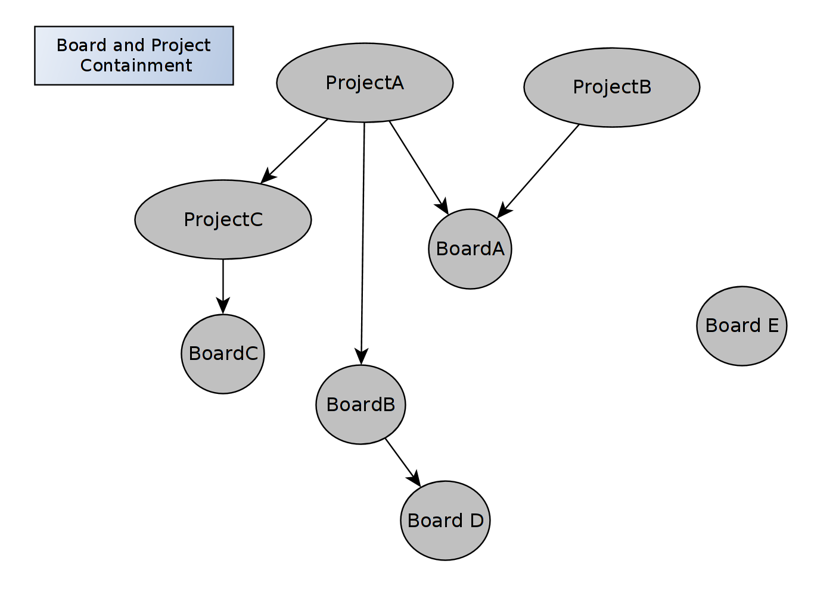
1. Assumption is there is going to one board defined or being utilized in Pull panning for each Project, correct?
Projects do not necessarily have pull planning. Projects can be seen as containers for organizing boards. Projects can contain other projects. A board should also be able to be seen/used in multiple projects. Boards can also be independant of projects.
See Diagram below "Board and Project Containment". All of the relationships should be possible (shown as regular arrow meaning “contains”)
When Considering how a board's data should be viewable in a report or list view, there should be options on Filtering by Board, By Project (which would then include all boards and project contained in it), and grouping by Board or project.

2. Only Admin creates or add a board, correct?
No, Standard users can create Boards. A board can be created from a system Template. Users can create personal templates which no one else can see using a system templates or other personal templates. Administrative users can create and modify Board Templates. See use case diagram Creating Board Templates on “Detailed Use Cases” sheet. Note: Personal templates are a new addition as of a discussion earlier today with Brian.

3. What is meant by “Full user”? refer to “Add Full User” by Admin.
Updated Master uses cases diagram. "Full User" is now any user. The basic division of labor is that Standard users should be able to do anything in the system except adding new Standard users, and managing global Templates. They should be able to create create boards, edit boards, create notes, note data, task data etc. They should also be able to invite Collaborators, which from here will be referred to as Contributing users. The basic logic is that a Standard user is a paid customer. In order to collaborate with unpaid users at the level of assigning tasks and ensuring those tasks are done, collaborators will be able to respond to assignments with comments, as well as change the status of tasks assigned to them.

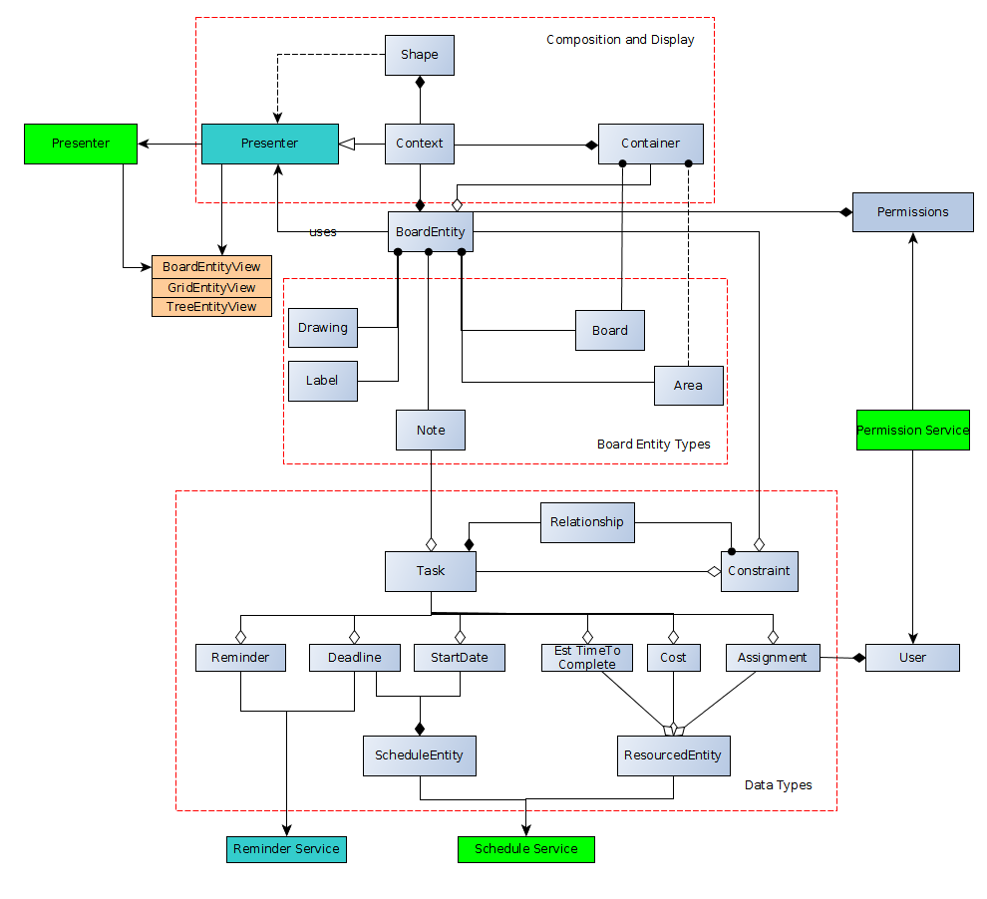
4. Pull panning has Milestones and also modules, how are they represented?
What do you mean by modules? | Entity Logic
Milestones are represented as Notes. Whether a note is part of a definite part of a milestone will be determined by relationships. Most notes will not need this, as they should be able to be flexibly move around the plan. I will add detailed use case for relationship.

5. What is a resource? (refer to”Add Resource” Use case)
Resources are data which can be part of a Task. (A task may have resources, but also may not). Resources are defined as cost, hours, or a user assignment. They are data fields that are part of a task. (see entity logic diagram also on design doc).
Resources can be reported on in a resourced view (see “designdoc – detailed components – View and Compositions” for detail)
There are also External Resources, which I will refer to from here as “Integration Data”. This is external data which can be pulled in from another software to create notes, or append data to existing notes (which are linked to an external resource).

6. How are the lean tools such as Kanban, PDCA, Fishbone etc, are utilized or added to which use cases? Or are they going to be defined as Board types?

There are no board Types if thinking of types as distinct boards with set attributes. There should be board templates, which have predefined shapes, areas, labels and constraints.
We are in progress with defining specifically what they will all be. See the “Lean Boards Implementation” Sheet for each case. So far I have Fishbone and Kanban.

Lean Boards Implementation
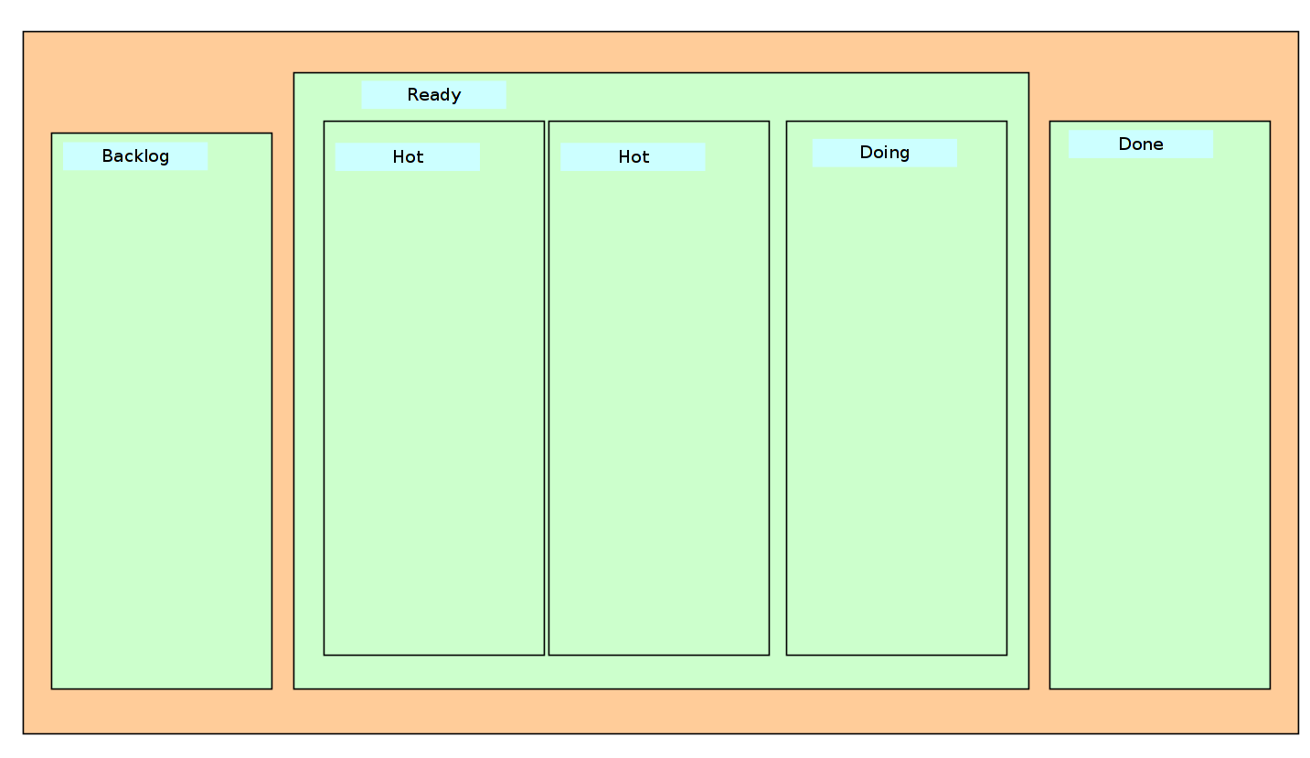
Lean Boards | KEY
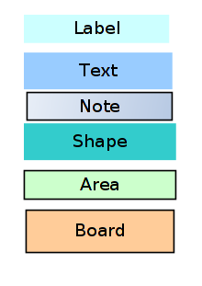
Fishbone
-The fishbone template will use areas to encapsulate causes.
-Subcauses will be encapsulated by areas contained in parent areas.
-The board template will have shapes to represent the fishbone structure, and the areas to which one can add notes.
-The Problem will be expressed in the Board Title label, which will be moved to the 'fish head' part of the shape.
-In the treeview, notes will be grouped according to their areas, with subcauses appearing under the root cause, so the hierachy is reflected there as well.
*** Note - areas would be sheered polygons like in standard - yed does not have good geometry editing.
There may be two Versions of the fishbone Template - one with one level of nesting, another with two levels.

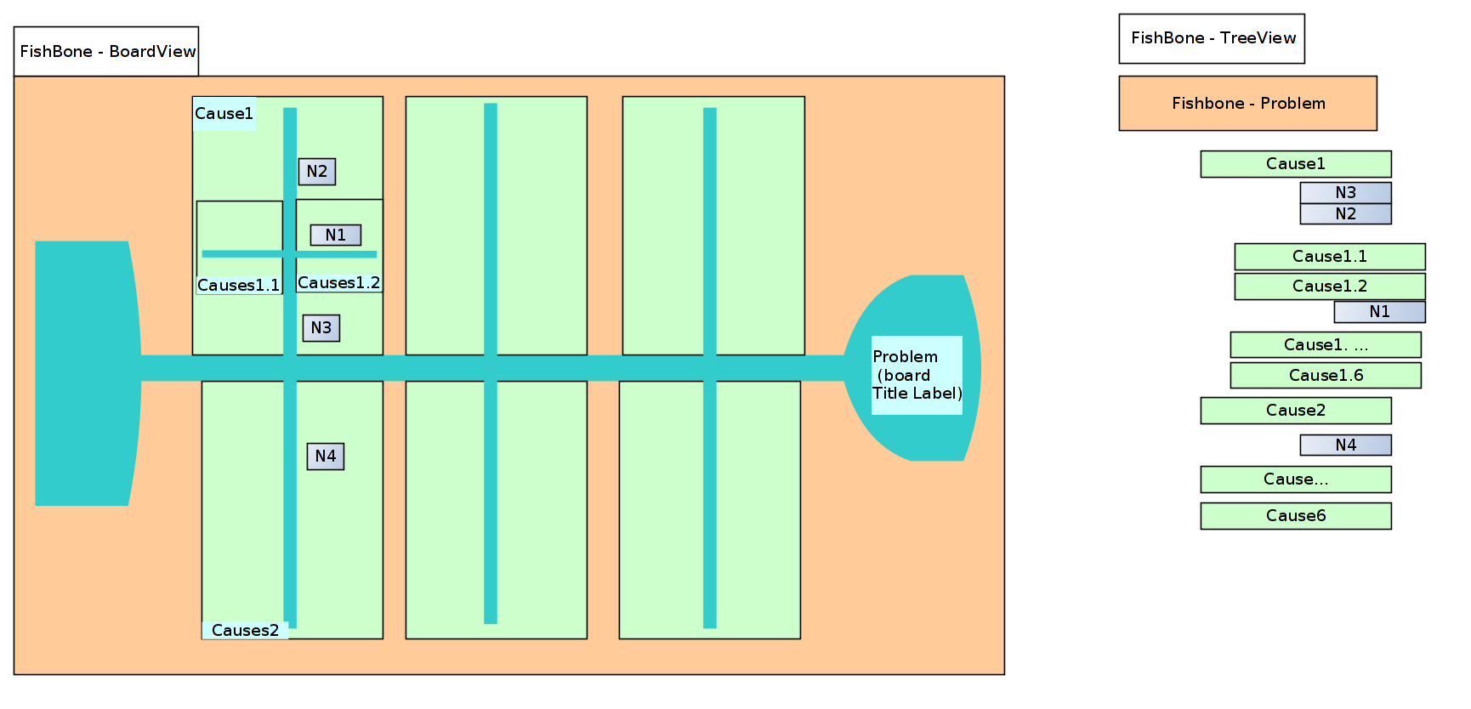

Personal Kanban Standard
In Kanban, the categories are defined by areas with overriding constraints.
When a user places or drags a note into an area, the constraint will apply to the task status of the note.
See constraints ()

Detailed Use Cases
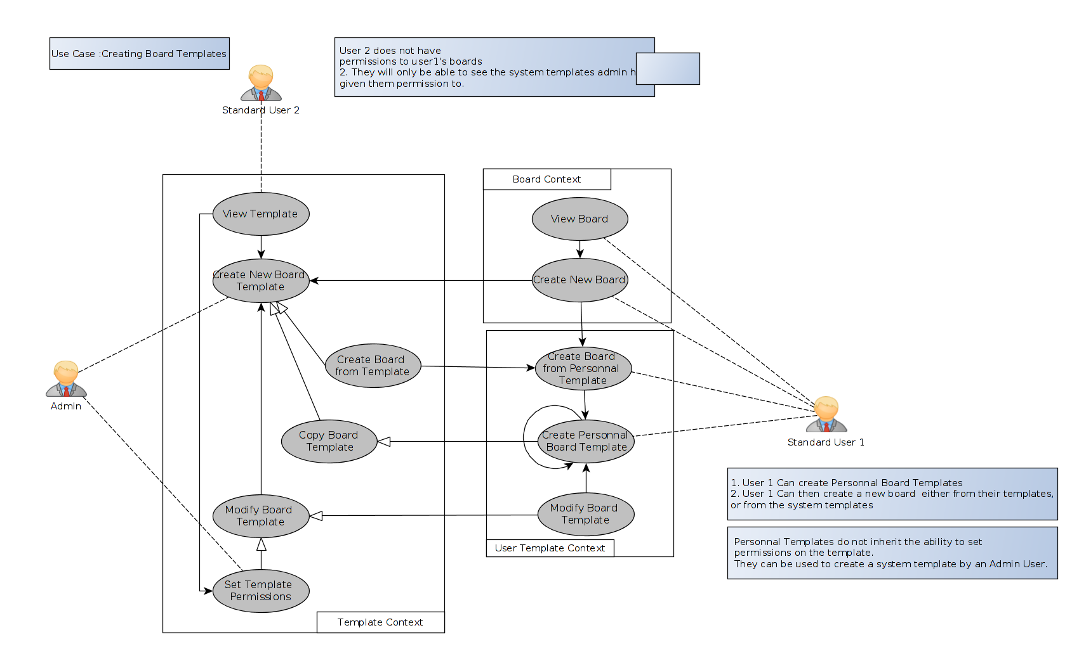
01. Creating Board Templates

